Quality Standards (Reference)
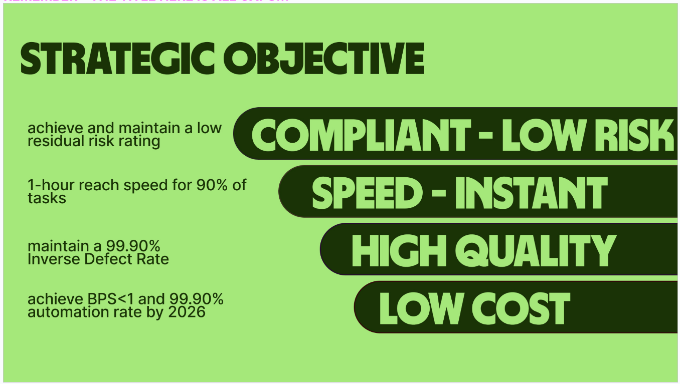
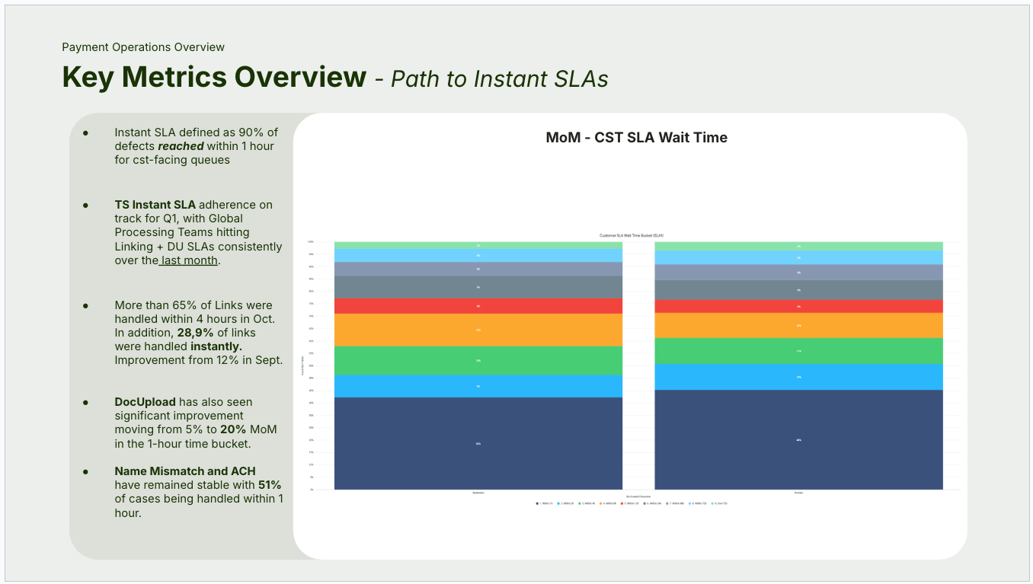
Data presentation: Clearly labeled charts, and tables to enhance stakeholders understanding
Visualization: Use visuals that highlight key trends, comparisons, with consistent styles and colors
Commentary and Storytelling: Clear explanations of patterns, trends and insights
Actionable Recommendations: If applicable, specific suggestions for improvement based on observed data trends.
Organized Reporting: Structure the MI pack with logical sections: overview, teams etc

You can find the quality standard set by the BI organization here.
You find our design tools available in this link

